Table 1
COMPANY: |  |  | RIVERSIDE UNIVERSITY HEALTH SYSTEM |  |  | DATE CALIBRATED: |  | 2025-02-04
ADDRESS: |  |  | 4065 COUNTY CIRCLE |  |  | CALIBRATION INTERVAL: |  | 1 YEAR
CITY/STATE/ZIPCODE: |  |  | RIVERSIDE/CA/92503 |  |  | CUSTOMER REQ. DUE: |  | 2026-02-04
TECHNICIAN: |  |  | MT-2 |  |  | INVOICE NUMBER: |  | 4309
MERIT CALIBRATION INC. Certifies that the calibration performed conforms to ISO/IEC 17025. The calibration standards accuracies are traceable through National Institute of Standards and Technology to the SI System of International Units. Supporting documentation relative to traceability is on file and is available for examination upon request. Calibration data results relate only to the specified serial number stated in the equipment information section in this certificate. This report shall not be reproduced, except in full, without the written approval of Merit Calibration, INC.
MANUFACTURER: |  | LOGTAG |  |  |  | PROCEDURE: |  | MCP‐1
INSTRUMENT: |  | DATA LOGGER THERMOMETER |  |  |  | RATED TOLERANCE: |  | ±1°F
MODEL NUMBER: |  | TRED30-16R |  |  |  | TOLERANCE AS FOUND: |  | IN
SIZE RANGE: |  | (-40°F to 140°F) |  |  |  | ADJUSTMENTS MADE: |  | NO
SERIAL NUMBER: |  | A063005619DH |  |  |  | CONDITION AS FOUND: |  | FAIR
INDENTIFICATION #: |  | BACKUP |  |  |  | LOCATION: |  | ON-SITE
 |  | MFG/SN#/DUE DATE/TRACEABILITY |  |  |  | TEMPERATURE: |  | 76.5°F
STANDARDS USED: |  | FLUKE/A8B413 |  |  |  | RELATIVE HUMIDITY: |  | 34%
 |  | REED/210205965/11-08-26 |  |  |  | CERTIFICATE NUMBER: |  | 10515
 |  | TRACEABLE/250534899/09-02-27 |  |  |  | CERTIFICATE ISSUE DATE: |  | 2024-06-17
In tolerance conditions are based on test results falling within specified limits with no reduction by the uncertainty of the measurement.
TEST POINT | ACTUAL (STANDARD) |  |  |  | UUT |  | ERROR | EXPANDED
 |  |  |  | AS FOUND | AS LEFT |  |  | U ±
 | °F |  |  |  | °F |  | °F | °F
1 | 40.0 |  |  |  | 40.1 |  | 0.1 | 0.19
2 | 40.0 |  |  |  | 40.1 |  | 0.1 | 0.19
3 | 40.0 |  |  |  | 40.1 |  | 0.1 | 0.19

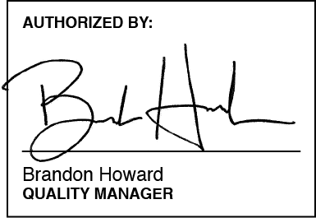
The reported uncertainty is stated as a standard uncertainty of measurement multiplied by a coverage factor k = 2, which, for a normal probability distribution, corresponds to a coverage probability of approximately 95 %
 |  |  |  |  |  |  | 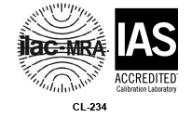

MC/TR‐001/Calibration Certificate‐Ver‐3 Page 1 of 1

